SURYA CIPTA NIAGA ABADI (BEEF)
DATE | INV NO. | DESCRIPTIONS | QTY | BILLS | PRICE | SUBTOTAL | TOTAL | STATUS
1-Nov-2025 | 2511/FK-0104 | STRIPLOIN ICHI BROWN | 11.79 | 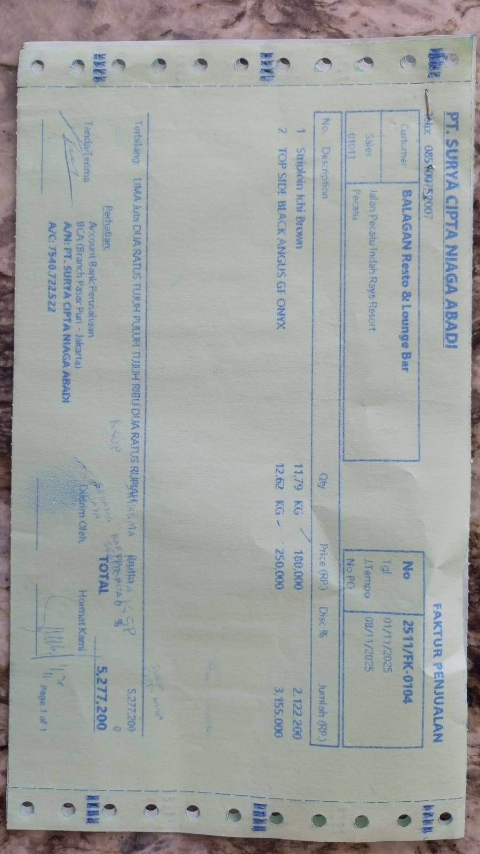 | Rp180,000 | Rp2,122,200 | Rp5,277,200
 |  | TOP SIDE BLACK ANGUS GF ONYX | 12.62 |  | Rp250,000 | Rp3,155,000
15-Nov-2025 | 2511/FK-1864 | STRIPLOIN ICHI BROWN | 11.28 | 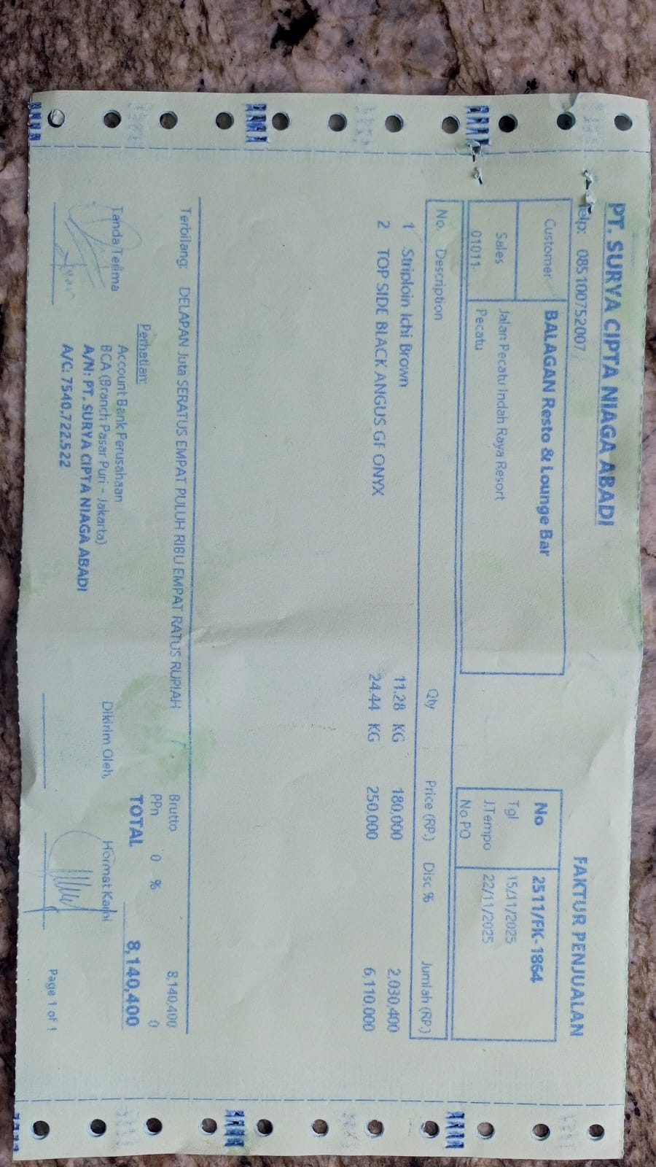 | Rp180,000 | Rp2,030,400 | Rp8,140,400
 |  | TOPSIDE WAGYU ONYX | 24.44 |  | Rp250,000 | Rp6,110,000
TOTAL |  |  |  |  |  |  | Rp13,417,600

